Master Form
Asset Class | Asset Class Code | Asset Class Name | Status
 | * | * | *

Asset Category
 | Asset Category Code | Asset Category Name | Asset Class | Status
 | * | * | Dropdown for linking | *

Department | Department Code | Department Name | Status
 | * | * | *

Location
 | Location Code | Location Name | Status
 | * | * | *

Site Form | Sites Detail (Tab)
 | Site Code | Site Name | Address | City | Postal code | Country | Status
 | * | * | * | * |  | * | *

 | Contact Detail (Tab)
 | Contact Person | Position | Mobile No. | Email Id
 | * | * | *

 | Asset Detail (Tab)
Asset Master | Asset Code | Asset Description | Asset Class | Asset Category | Asset Tag Id | Serial No. | ERP Code | Model No. | Brand | Asset Picture | Asset Barcode | Depreciable Asset | Status
 | * | * | * | * |  | * |  | * | * |  |  | Yes / No dropdown | *

 | Location Detail (Tab)
 | Site | Location | City | Department | Person | Assiged Date | Valid Upto
 | * | * | *

 | Purchase Detail (Tab)
 | Supplier | Manufacturer | Purchase Date | Purchase Cost | Country of Origin
 | * |  | * | *

 | Depreciation Detail (Tab)
 | Acquisition Date | Depreciation Start Date | Asset Life (Months) | Depreciation Value | Salvage Value | Accum. Depreciation | Depreciation Method | Netbook Value

Data List | Asset Code | Description | Asset Type | Serial Number | Manufacturer | Availabiltiy Status | Action

Asset Depreciation | Asset Class | Asset Category | Depreciation Method | Depreciation Apply | Depreciation Value | Status
 | * |  | * | Yearly | * | *

Maintenance Schedule | Schedule Code | Schedule Description | Status
 | * |  | *

Maintenance Type | Type Code | Type Description | Status
 | * |  | *

Maintenance Checklist | Checklist Code | Checklist Description | Maintenance Type | Status
 | * | * |  | *

BIN Location | Bin Code | Bin Description | Location | Status
 | * | * |  | *

Spare Part Master | Spare Details (Tab)
 | Spare Code | Description | Serial Number | UOM | Unit Price | Manufacturer Code | Manufacturer | Link to Asset | Upload Pic | Status
 | * | * |  | * |  |  |  | * Dropdown and |  | *
 |  |  |  |  |  |  |  | pick detail from
 | Spare Location (Tab) |  |  |  |  |  |  | asset form
 | Location | * Dropdown
 | Bin Number | * Dropdown (from Bin form)
 | Mininum Order Qty.
 | Safety Stock Qty.
 | Available Stock

Data List | Spare Part Code | Description | Serial No. | Asset Linked | Manufacturer Name | Status
 |  |  |  | Code - Name

Employees Master | Employee Tab |  |  |  | Detail Tab

 | Employee Code | Employee Id | Employee Name |  | DOB | Hire Date | Leave Date
 | * | * | * |  | * | *

 | Address | Country | City |  | Location | Position | Department
 | * | *Dropdown pick data from Country Form | * Dropdown pick data from city form |  |  | * | *Dropdown from department form

 | Company Mobile No. | Personal Mobile No. | Email Id |  | Id Proof | Id Number | Expiry Date
 |  | *

 | Gender * | Photo | Status |  | Labor Rate Hourly | Billing Rate Hourly
 |  |  | *

Data List | Employee Id | Employee Name | Position | Department | Company Contanct No. | Status

Maintenance Status | Status Code | Status Type | Status
 | * | * | Active or Inactive

Inspection Type | Inspection Code | Description | Status
 | * | * | *

Check Type | Check Code | Description | Status
 | * | * | *

Quick Action Menu

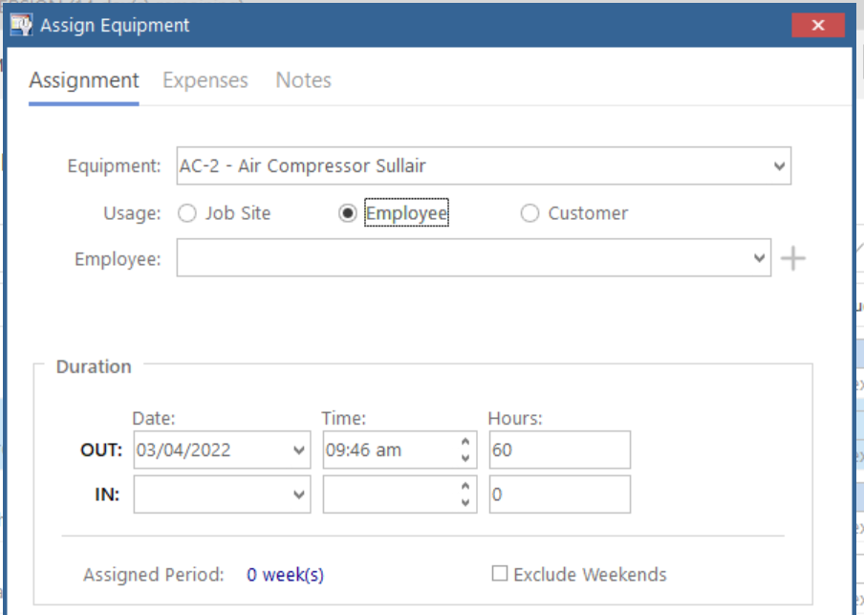
Reservation |  |  |  |  |  | Job Site | Site Code -Name
 |  |  |  |  |  |  | Adress
 |  |  |  |  |  |  | City

 |  |  |  |  |  | Employee | Employee ID-Name
 |  |  |  |  |  |  | Position
 |  |  |  |  |  |  | Department

 |  |  |  |  |  | Customer | Customer Code -Name
 |  |  |  |  |  |  | Region
 |  |  |  |  |  |  | Address
 |  |  |  |  |  |  | City

Check out |  |  |  |  |  | Reserve Date
 |  |  |  |  |  | Check Out Date
 |  |  |  |  |  | Check In Date

 |  |  |  |  |  | Asset (only those will show in list which are reserved)
 |  |  |  |  |  | Check out Date | *
 |  |  |  |  |  | Employee Check Out To | Employee Dropdown *
 |  |  |  |  |  | Return by Date
 |  |  |  |  |  | Check Out Note | *
 |  |  |  |  |  | Entered By | *
 |  |  |  |  |  | Entered Date | *
Assign to Location | Asset | *
 | Assign Date | *
 | Department
 | Location | *
 | Return Date
 | Responsible Person | Employee Dropdown *
 | Assign Note | *
 | Entered By | *
 | Entered Date | *

Asset Tranfer | Asset | * |  | Transfer Date | *
 | Initial Assign Date | * |  | Transfer Department
 | Department |  |  | Transfer Location | *
 | Location | * |  | Return Date
 | Return Date |  |  | Responsible Person | Employee Dropdown *
 | Responsible Person | Employee Dropdown * |  | Transfer Note | *
 | Assign Note | * |  | Entered Date | *
 | Entered By | * |  | Entered Date | *

Send for Repair | Asset | *
 | Date Send for Repair | *
 | Description of Problem | *
 | Service Vendor | Drop down of vendor *
 | Estimation Repair Cost
 | Return Date | *
 | Entered By | *
 | Entered Date | *

Maintenance Request | Maintenance Type | Asset / Equipment | Asset Category
 | Drop down from Maintenance Type | Drop down from Asset Master * | *

 | Requested By | Due Date | Maintenance Status
 | * | * | *

 | Remark

 | Detail List


                            

